Sheet1
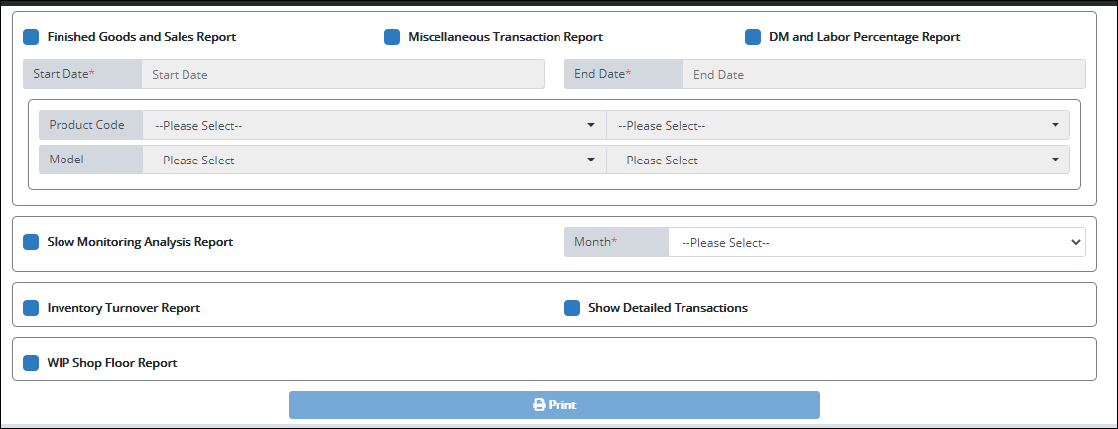
Add checkbox "RM Breakdown for FG and Sales Report"
RM Breakdown for FG and Sales Report

Add group:
1. Checkbox RM Breakdown per JO report
2. Input field "PO Number"
3. Input field "JO Number"
**Required either JO Number or PO Number to allow to generate.

RM Breakdown per JO Report
JO Number:
PO Number:

Add group:
1. Checkbox "RM Beginning Balance Report"
2. Select2 "Product Code" (call from SP LSP_GetAllRMProductCodesGroupedSp)
3. Datecombo "Transaction Date"
**Required both Product Code and Transaction Date. Initial value for Product code = "ALL"
RM Beginning Balance Report
Product Code:
Transaction Date

